Indices

 | Iraq Stock Exchange
 | Bulletin No (99)
 | ISX Trading Indices of Tuesday 9/6/2026

 | Traded Volume and OTC |  | 634,316,339 |  | Traded Value and OTC |  | 900,386,652 |  | Traders | 1321
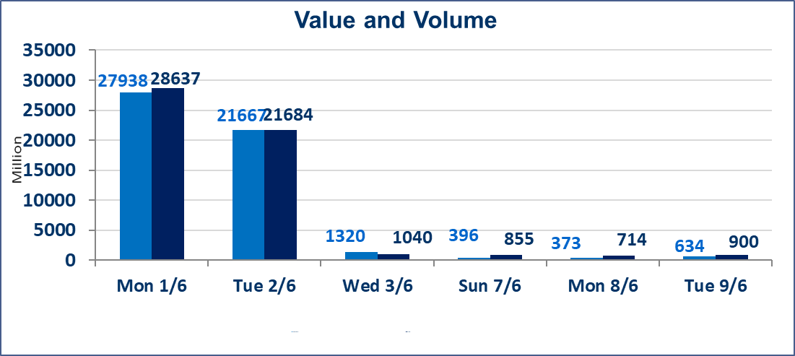
 | ISX Index 60 |  |  | 945.45 | ISX Index 15 |  |  | 1221.03
 | Previous ISX Index60 |  |  | 944.69 | Previous ISX Index15 |  |  | 1217.26
 | Change % |  |  | 0.08 | Change % |  |  | 0.31
 | Change |  |  | 0.76 | Change |  |  | 3.77

 | Listed Companies | 103 | OTC | 14 | Non Traded listed | 41 | OTC | 13
 | Traded Listed Companies | 42 | OTC | 1 | Higher Companies |  |  | 9
 | GAM Companies |  |  | 9 | Lower Companies |  |  | 11
 | Suspended Companies |  |  | 11
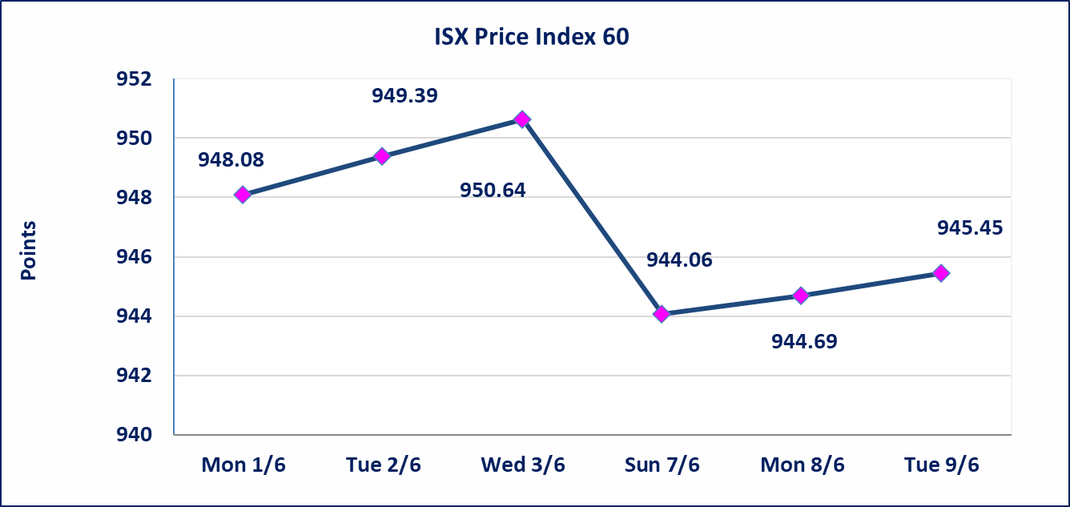
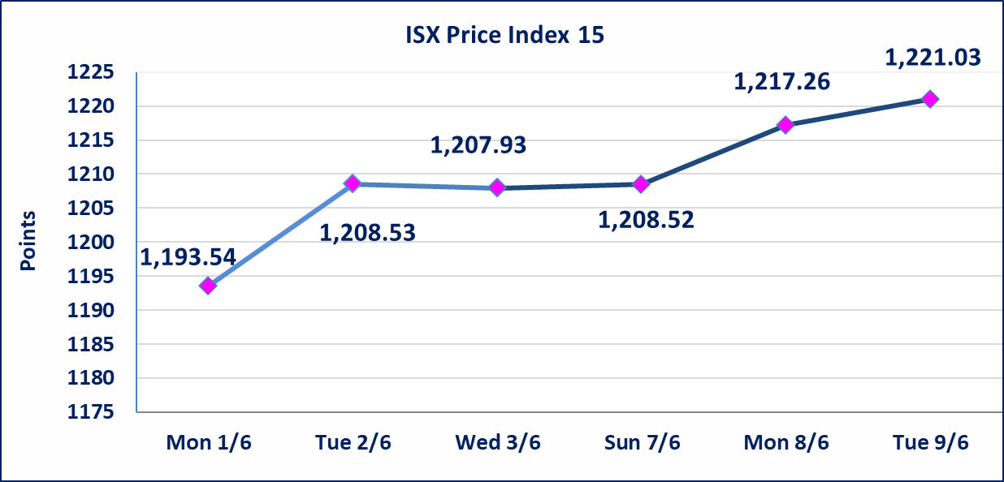

Al-Alwiya P.O . 3607 Mobile: 07711211522 - 07270094594 - 07834000034 E-mail: info-isx@isx-iq.net Web site:www.isx-iq.net

Top 5
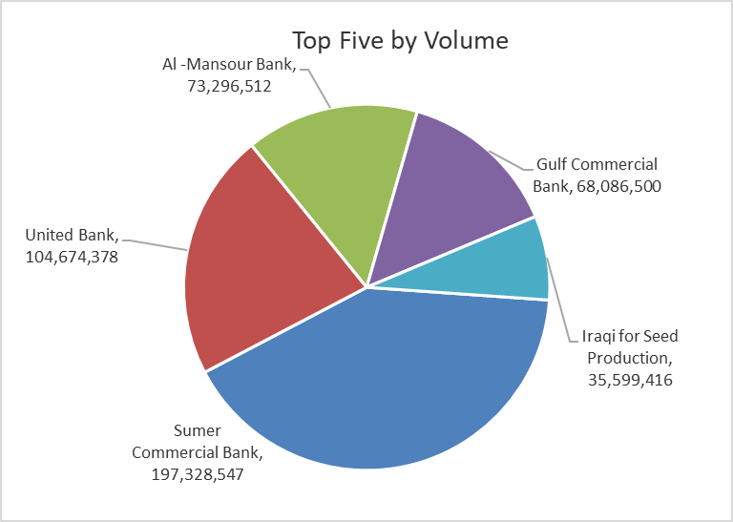
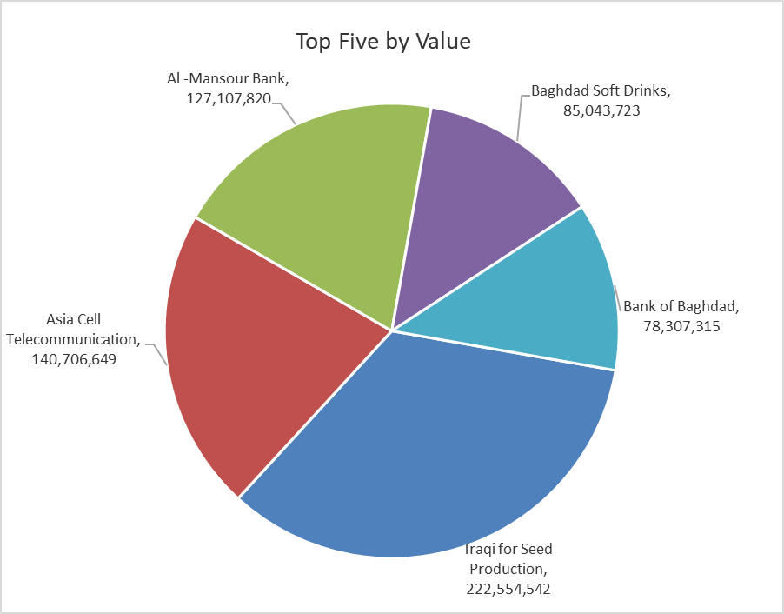

ISX top ganing and losing companies
Tuesday 9/6/2026
 | Gainers |  |  |  | Losers
 | Company Name | Closing Price | Change (%) | Traded Volume | Company Name | Closing Price | Change (%) | Traded Volume
 | Iraqi for Seed Production | 6.640 | 19.64 | 35,599,416 | General Transportation | 1.400 | -6.67 | 6,000
 | Baghdad Hotel | 12.800 | 10.54 | 450,000 | AL-Badia for General Trans | 1.320 | -6.38 | 4,221,926
 | Fallujah for construction Materials | 2.970 | 4.58 | 1,410,246 | Kharkh Tour Amuzement City | 4.600 | -5.93 | 8,003,105
 | Electronic Industry | 1.400 | 3.70 | 1,258,073 | Mansour Hotel | 65.000 | -3.85 | 51,546
 | Al-Taif Islamic Bank | 0.590 | 3.51 | 2,852 | Ashur International Bank | 0.260 | -3.70 | 8,000,000
 | The most active companies in term of traded volume and value

 | Traded Volume |  |  |  | Traded Value
 | Company Name | Closing Price | Change (%) | Traded Volume | Company Name | Closing Price | Change (%) | Traded Value
 | Sumer Commercial Bank | 0.200 | 0.00 | 197,328,547 | Iraqi for Seed Production | 6.640 | 19.64 | 222,554,542
 | United Bank | 0.050 | 0.00 | 104,674,378 | Asia Cell Telecommunication | 16.340 | 0.25 | 140,706,649
 | Al -Mansour Bank | 1.740 | 1.75 | 73,296,512 | Al -Mansour Bank | 1.740 | 1.75 | 127,107,820
 | Gulf Commercial Bank | 0.360 | 0.00 | 68,086,500 | Baghdad Soft Drinks | 6.130 | -0.16 | 85,043,723
 | Iraqi for Seed Production | 6.640 | 19.64 | 35,599,416 | Bank of Baghdad | 2.620 | 0.00 | 78,307,315

Non Iraqis

Iraq Stock Exchange
Non Iraqis' Bulletin Tuesday Jun 9 2026
Regular Market

Non Iraqi Trading of Regular Market (Sell)
Company Names | Code | No.of trades | Traded Shares | Trading Volume
Banks Sector
National Bank Of Iraq | BNOI | 26 | 10,254,716 | 41,026,393
Total Bank sector |  | 26 | 10,254,716 | 41,026,393
Grand Total |  | 26 | 10,254,716 | 41,026,393

Not Trading Bonds

Iraq Stock Exchange
Tuesday 9/6/2026
Not Trading Bonds Bulletin
Bond type | Publish type | Code | last trading price | immortilize date
Banaa Bonds /Million ID | Second | CB20 | 964,981 | 19/12/2025
Eamar Bonds /Million ID | First | CB30 | 1,001,095 | ــــــــــــــــ
Eamar Bonds /Million ID | Second | CB40 | ــــــــــــــــ | ــــــــــــــــ
Eamar Bonds /500 Thousand ID | Third | CB45 | ــــــــــــــــ | ــــــــــــــــ
Eamar Bonds /Million ID | Third | CB50 | ــــــــــــــــ | ــــــــــــــــ
Injaz Bonds /500 Thousand ID | First | CB55 | ــــــــــــــــ | ــــــــــــــــ
Injaz Bonds /Million ID | First | CB60 | 951,110 | ــــــــــــــــ
Injaz Bonds /500 Thousand ID | Second | CB65 | 511,000
Injaz Bonds /Million ID | Second | CB70 | 965,050 | ــــــــــــــــ
Injaz Bonds /500 Thousand ID | Third | CB75 | ــــــــــــــــ | ــــــــــــــــ
Injaz Bonds /Million ID | Third | CB80 | 978,182 | ــــــــــــــــ
National Bonds/Million ID | First | CB90 | ــــــــــــــــ | ــــــــــــــــ
National Bonds/500 Thousand ID | Second | CB95 | ــــــــــــــــ | ــــــــــــــــ
National Bonds/Million ID | Second | CB100 | ــــــــــــــــ | ــــــــــــــــ

